Data Charatcerization
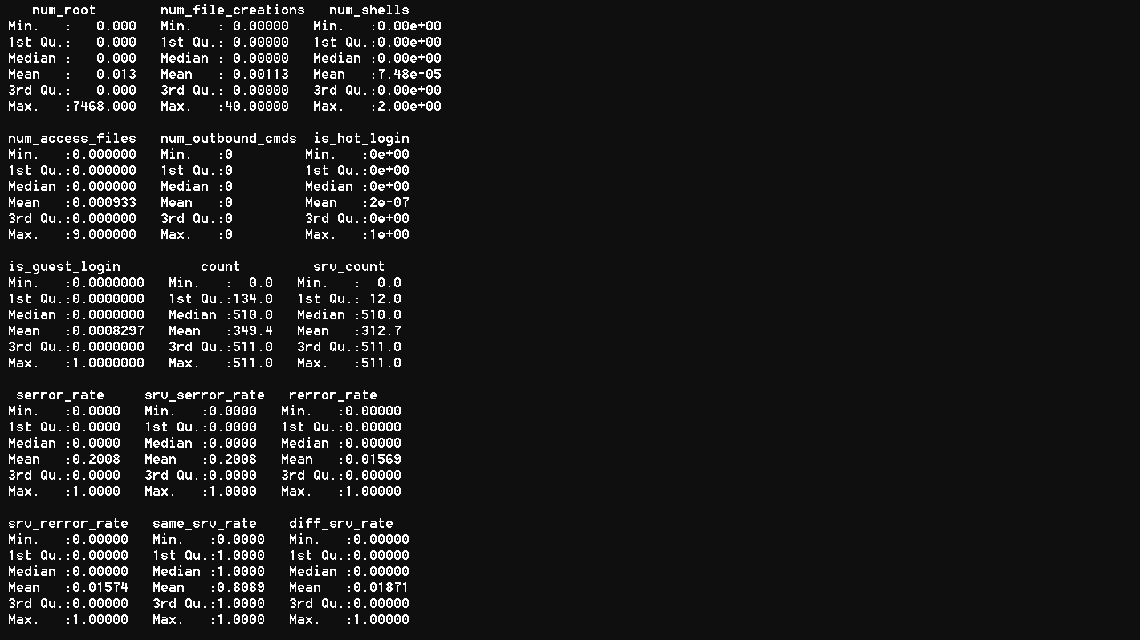
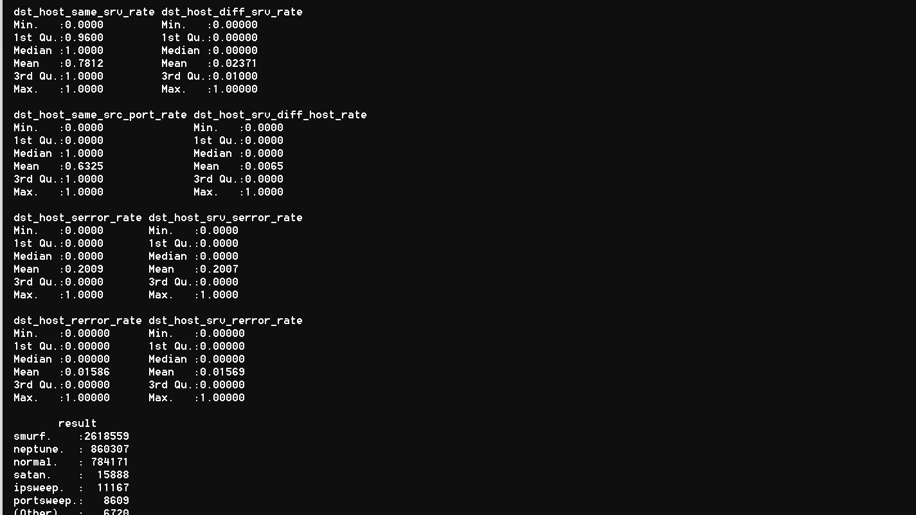
Please fill the following details
Describe the data as you understand in 2-3 lines:
Write the objective in 2-3 lines

Data Dimension
# of records | 4305421
# of attributes | 42
Type of class attribute
# of categorical attributes | 4
# of numeric attributes | 38
# of missing values | 0
% missing values
#of attributes with greater than 20% Missing Value
#of rows with greater than 20% Missing Values
#of Levels in Categorical Attribute <Attribute Name>
#of Levels in Taget Variable
#of Correlated Variables (> 70%)
#of near zero variance variables | ZERO
Is there any Class imbalance in target variable? | NO
Proportions of Target Class Levels
# of DATE Variables
# of Attributes that can be directly used for model building
# of Attributes that require Feature Engineering
Descriptive Statistics
Attribute name | Average | Median | Standard Deviation | Min value | Max value | # of missing values

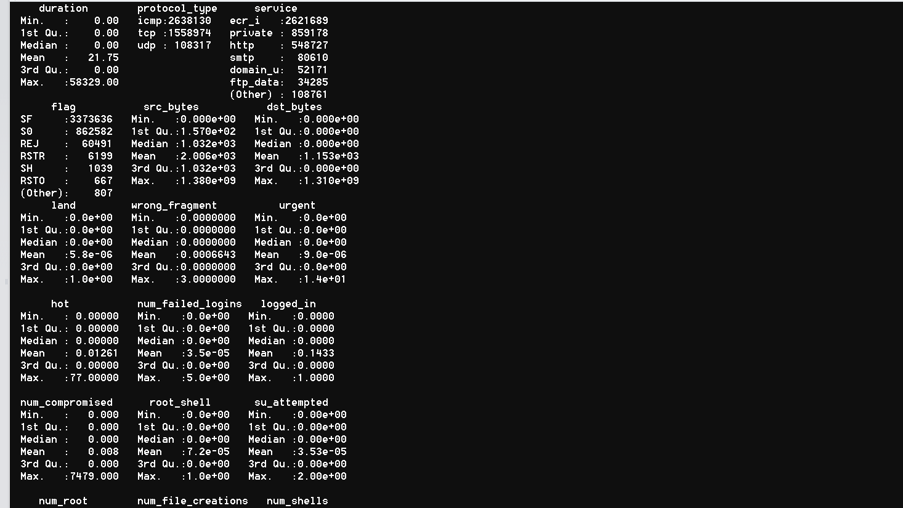

Attribute name | # of unique levels | # of missing values

Correlation matrix of numeric attributes

